1. Title Page
[Instacart Grocery Basket Analysis]

Project Name: Instacart Grocery Basket Analysis
Date: 10.02.2024
Analyst Name: Dee Rosario

Contents:
Population Flow
Consistency checks
Wrangling steps
Column derivations
Visualizations
Recommendations

The Instacart Online Grocery Shopping Dataset 2017, Accessed from www.instacart.com/datasets/grocery-shopping-2017 via Kaggle on [10.02.2024].
All data labeled "Customer" is fictional data provided by CareerFoundry explicitly for use learning purposes for this report.

2. Population Flow
Population flow

Orders_products_combined
Orders_products_merged
Orders_products_all

Total: 32,404,859
Total: 32,434,489
Total: 32404858

3. Consistency checks
Consistency checks

Dataset | Missing values | Missing values treatment | Duplicates
orders | 1. 'eval_set' column 2. 'days since prior order' column had missing values | 1. Dropped 'eval_set' column 2. Missing values were kept | 1. No duplicates 2. No duplicates found
products | 1. 16 products names were missing | 1. new dataframe created without missing values | 1. Five duplicates were found. New dataframe created without duplicates
orders_products_prior | No missing values | No action taken | No duplicates
customers | There were 11259 first names missing from the file | No action was taken, the missing values were kept. | No duplicates

4. Wrangling steps
Wrangling steps

Columns dropped | Columns renamed | Columns' type changed | Comment/Reason
eval_set' |  |  | zero relevance to task
 | order_dow to orders_day_of_week |  | cosmetic relevance to the rest of the dataframe
 | days_since_prior_order to days_since_last_order |  | cosmetic relevance to the rest of the dataframe
 | surnam to Surname |  | cosmetic relevance to the rest of the dataframe
 | STATE to State |  | cosmetic relevance to the rest of the dataframe
 | n_dependants to Dependants |  | cosmetic relevance to the rest of the dataframe
 | date_joined to Date_joined |  | cosmetic relevance to the rest of the dataframe
 | fam_status to Family_status |  | cosmetic relevance to the rest of the dataframe
 |  | product_id | int64 to int8
 |  | aisle_id | int64 to int8
 |  | department_id | int64 to int8
 |  | order_number | int64 to int8
 |  | Age | int64 to int8
 |  | n_dependants | int64 to int8
_merge' |  |  | not needed for task and could cause problems
 |  | Date_joined | from Object to Datetime
 |  | user_id | int64 to int32

5. Column derivations
Column derivations and aggregations

Dataset | New column | Column/s it was derived from | Conditions | price_range_loc
ords_prods_merge | price_range_loc | prices | <=5 low range products | mid-range product 21860860
 |  |  | <=15 / >5 mid range products | low-range product 10126321
 |  |  | >15 high range products | High-range product 417678
ords_prods_merge | busiest_days | orders_day_of_week | 0 or 1 = Busiest days | Busiest_days
 |  |  | 3 or 4 = slowest days | Regularly busy 12916111
 |  |  | rest of range = Regualr busy | Busiest days 11864412
ords_prods_merge | busiest_oeriod_of_day | order_time_of_day | 9,10,11,14,15,13,12,16 = Most Orders | Slowest days 7624336
 |  |  | 23,6,,0,1,5,2,4,3 = Fewest Orders | busiest_period_of_day
 |  |  | rest of range = Average Orders | Most Orders 21118071
ords_prods_merge | loyalty flag | max order | >40 = loyal customer | Average Orders 9997651
 |  |  | <=40 / >10 = Regular customer | Fewest Orders 1289137
 |  |  | <=10 = New Customer | loyalty_flag
ords_prods_merge | spender_average | user_id + prices | <10 = low spender | Regular customer 15876776
 |  |  | >=10 = high spender | Loyal customer 10284093
ords_prods_merge | frequency_average | user_id + days_since_prior_order | >20 = Non_frequent_customer | New customer 6243990
 |  |  | >10 / <= 20 = Regular customer | spender_flag
 |  |  | <=10 = Frequent customer | low spender 31770614
ords_prods_cust_merge | region | state | Northeast | high spender 634245
 |  |  | Midwest | frequency_flag
 |  |  | South | Frequent customer 21559853
 |  |  | West | Regular customer 7208564
ords_prods_cust_merge | exclusion_flag | max_order | <5 = low_activity_cust | Non_frequent customer 3636437
ords_prods_cust_merge | age_group | Age | <33 = Young Adult | nan 5
 |  |  | >=33 / <65 = Adult | region
 |  |  | >=65 = Senior Adult | South 10791885
ords_prods_cust_merge | income_level | income | <67292 = Low income | West 8292913
 |  |  | >=67292 / <128102 = Median income | Midwest 7597325
 |  |  | >=128102 = High income | Northeast 5722736
ords_prods_cust_merge | dependants_qty | Dependants | == 1 = 1 | exclusion_flag
 |  |  | ==2 = 2 | nan 30964564
 |  |  | ==3 = 3 | age_group
 |  |  |  | Adult 15483886
 |  |  |  | Senior Adult 8195544
 |  |  |  | Young Adult 7285134
 |  |  |  | income_level
 |  |  |  | Median income 15482298
 |  |  |  | High income 7741261
 |  |  |  | Low income 7741005
 |  |  |  | dependants_qty
 |  |  |  | 3.0 7772516
 |  |  |  | 2.0 7733261
 |  |  |  | 1.0 7719106

6. Visualizations
 |  |  | Title page

Visualisations

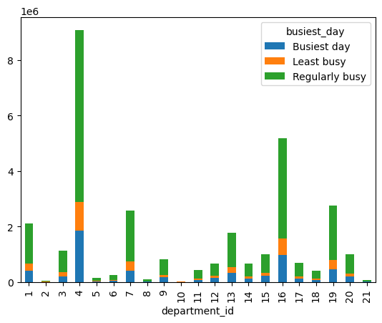
1. The sales team needs to know what the busiest days of the week and hours of the day are (i.e., the days and times with the most orders) in order to schedule ads at times when there are fewer orders. 2. They also want to know whether there are particular times of the day when people spend the most money, as this might inform the type of products they advertise at these times. | 3. Are there certain types of products that are more popular than others? 4. What’s the distribution among users in regards to their brand loyalty (i.e., how often do they return to Instacart)? | 5. Are there differences in ordering habits based on a customer’s loyalty status? 6. Are there differences in ordering habits based on a customer’s region? 7. Is there a connection between age and family status in terms of ordering habits?
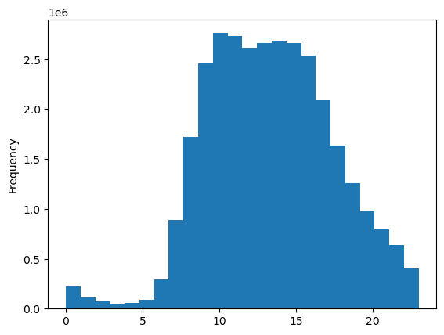

We can clearly see that between the hours of 9am and 3pm, we see the most activitiy. Starting at around 4pm we see a gradual and steady drop in activity...completely dropping off after 11pm.
 | This graph shows which times of the day are busiest per department. We can see that certain departments are busier than others depending on the day/time of day.

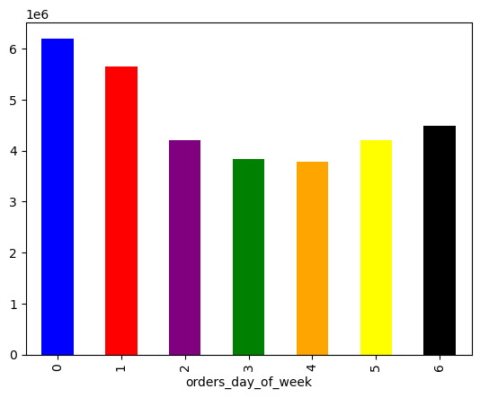

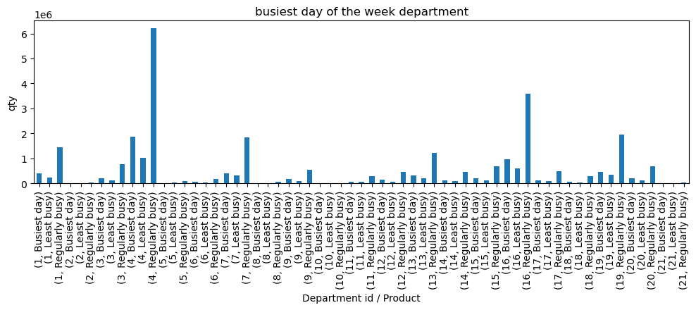

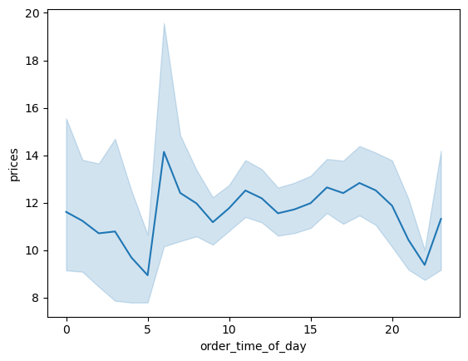
 | Here is a more specific breakdown of the graph above

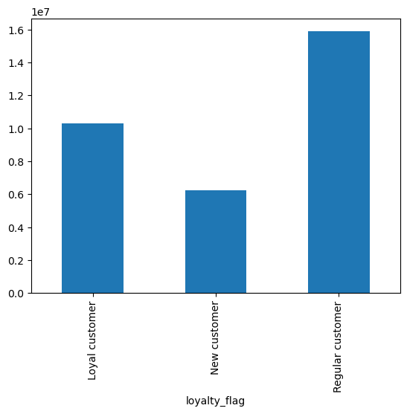

We see in the chart above that there is a tendency for customers to purchase higher priced items earlier in the day

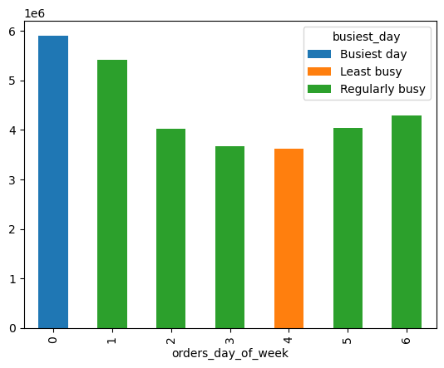

 | The graph above shows us that the quantity of regular customers far exceeds that fo loyal and/or new customers

Here we can see teh busiest (and least busiest) days of the week according to orders
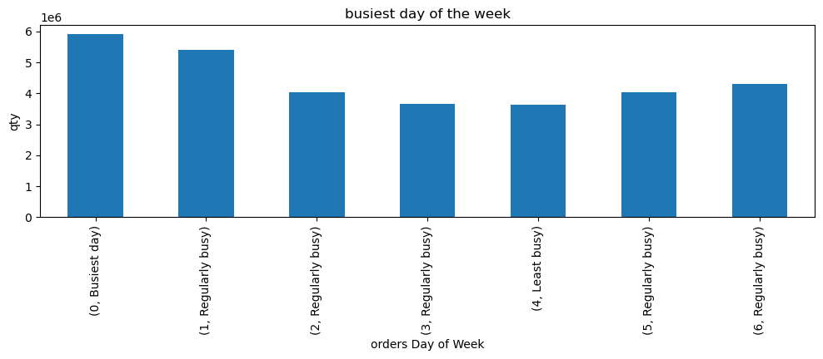

 | We see in the chart above that there is a tendency for customers to purchase higher priced items earlier in the day

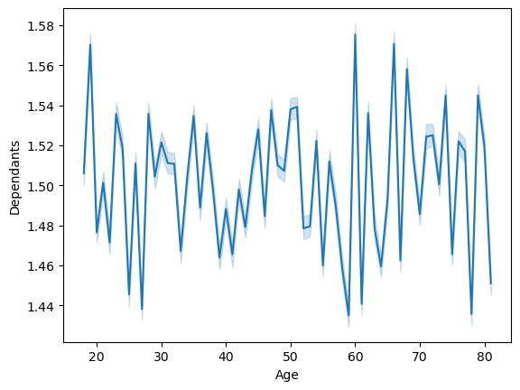

 | Our line chart above shows us that there is no direct relation to the number of dependants a customer has when compared against their age. We see no clear pattern of relation. We actually see that age has no bearing on the number of dependants. One note: it was surprising to see that people under 20 and over 60 years old have the largest number of dependants.



 | 1.incomes reach as high as 400k between the age ranges of <20 to 40.

 | 2.between the age ranges of 40 and 80, we have a fairly consistent, albeit lower, number of customers with incomes reaching up to 600k.

 | 3.the number of customers declines noticeably when we get into the 300k+ income range.

 | 4.the number of customers with incomes between 200k and 300k increase dramatically at the 40 age range.¶

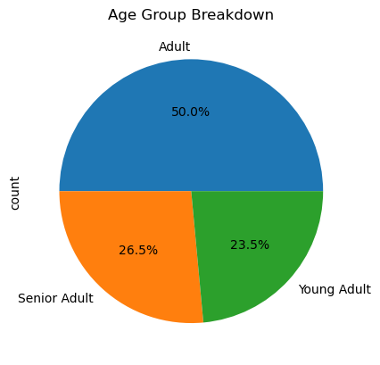

 | Here we see a clear breakdown between the three largest shopping groups by age

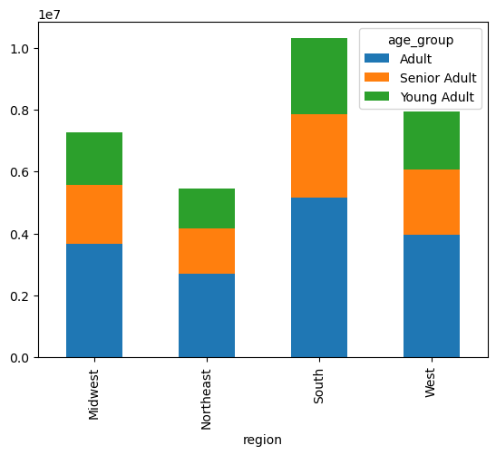

 | The graph above shows us the breakdown of our three largest shopping groups by age and region

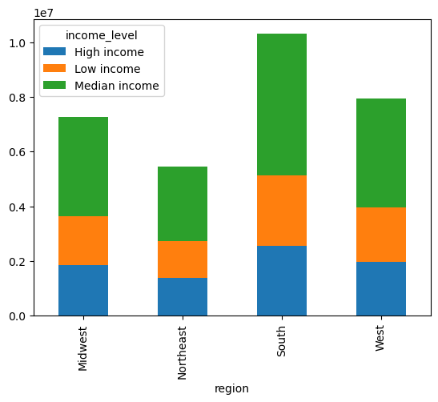

 | The graph above is showing us the breakdown between income and region. We can clearyl see the breakdown between age, region and income in the two graphs above and we are able to get a real clear picture of the types of customers we have, where are they located, and how much income they possess.

7. Recommendations
Recommendations

Question | Answer
1. The sales team needs to know what the busiest days of the week and hours of the day are (i.e., the days and times with the most orders) in order to schedule ads at times when there are fewer orders. | From all the data presented we can infer that weekends are the most popular times for customers to place orders, with Saturdays being the strongest day to purchase items. The preferred times to shop are between 11am and 4pm.
2. They also want to know whether there are particular times of the day when people spend the most money, as this might inform the type of products they advertise at these times. | The time of day preferred by the customers is between 11am and 4pm, with a tendency to purchase high ticket itmes arely in the day(between 6am and 8am)
3. Are there certain types of products that are more popular than others? The marketing and sales teams want to know which departments have the highest frequency of product orders. | According to research conducted, there are 6 areas where customers focus their purchases the most per week. Those are (in descending order): Department 4 - Produce, Department 16 - Dairy/eggs, Department 19 - Snacks, Department 7 - Beverages, Department 1 - Frozen foods, and Department 13 - Pantry items.
4. What’s the distribution among users in regards to their brand loyalty (i.e., how often do they return to Instacart)? | Although Instacart has a loyal base of regular customers, they also have a large loyalty base of customers which is over 50% of their regular customer base.
5. Are there differences in ordering habits based on a customer’s loyalty status? | Loyal customers showed that they placed more than 40 orders on average. Regular customers placed between 10 and 40 orders on average. New customers placed less than 10 orders on average.
6. Are there differences in ordering habits based on a customer’s region? | Customers from the South region are the biggest and most frequent customers, while the Northeast region customers are the ones who purchase the least from Instacart.
7. Is there a connection between age and family status in terms of ordering habits? | There was no clear connection established between ordering habits and family status, but it has to be noted that the majority of Instacart customers are married with dependants. This fact suggests that their shopping frequency will be higher than single customers.
8. What different classifications does the demographic information suggest? Age? Income? Certain types of goods? Family status? | From the data collected we can infer that most customers have dependants. Most of these customers fall in the Median income category. Produce and dairy were the highest selling products for all groups represented in the data. Most high spending customers come from the South of the US.
9. What differences can you find in ordering habits of different customer profiles? Consider the price of orders, the frequency of orders, the products customers are ordering, and anything else you can think of. | Differences among customer groups are not too noticeable or glaring, if one may. Similarities among the groups were more obvious than their differences. Married parents seem to be best represented in the data. One thing is noticeable: the Northeast region was the weakest by far in every category. Although their purchasing choices/habits mirrored every other region, their spending was a lot more conservative...especially when compared to the spending habits of clients in the South. PArents, in general, no matter which region, were the biggest spenders accross the spectrum.
RECOMMENDATIONS:
Marketing/Sales: | High ticket items: The presence of an increased number of high ticket items purchases in the morning indicate that a focused marketing campaign for "morning shoppers" could generate for Instacart an increased number of high ticket item sales. Historically, businessmen and young mothers are the type of clients that are up early in the morning and are able and capable of purchasing high ticket items in the morning...especially between the times of 5am and 8am.
 | Weekends: It is clear that Instacart generate most of their business over the weekend. It would be beneficial to creat and promote a marketing campaign that will focus on "weekend essentials" products that could be marketed during specific seasons like summer, Christmas, Easter, 4th of July, Presidents' Day, Labor Day and Memorial Day. All these special dates are held during the weekend and it would be smart to target purchase campaigns with these themes during these weekends in order to maximize exposure and sales.
 | Consumer Research: A research team should be assembled to look into why sales are so low in the Norhteast region of the US. The Norhteast region is the original area of the initial 13 colonies and should actually be the one with the most positive purchasing habits...yet it is the one with the lowest. The Northeast region has the most concentrated population areas of the whole US and is the region that celebrates the most holidays in general. This must be investigated as to why sales are so low in this region in particular....especially since they are lower than the Midwest, and the Midwwest is the region that is least poplated in the US.
 | Parents: The largest purchasing group for Instacart are parents. This is a golden opportunity for cross marketing campaigns, especially during periods like "back to school" and/or school breaks like Easter, Christmas and summer vacation. Instacart could use its influence to target-sell parents accross the US with specific product bundles that could be tailored according to season....hence seasonal targeting.
 | Loyalty: create a loyalty program which would offer discounts according to total price purchase and frequency of specail ticket items purchased. Instacart could also create a program where cross items could be offered at a reduced price or even "free" when a loyal customer reaches a "purchasing milestone", for example. This could be used to intice these customers to increase their purchasing frequency.

